READ ME
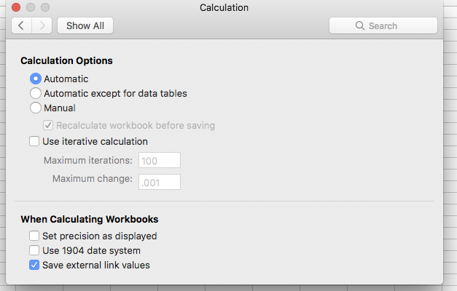
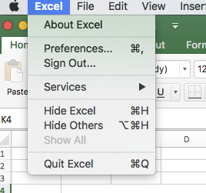
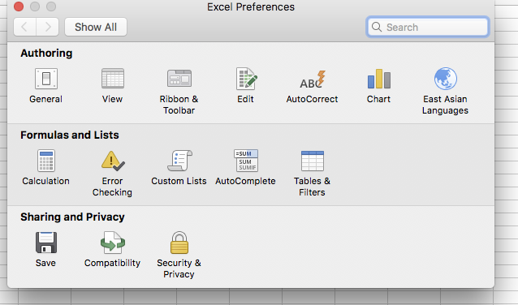
 | 1. | 2.
You can use the Study Progress plan as a tool to get an overview over your studyprogress. To calculate your grades and creditpoints, you have to insert both for each course. If you get pass/fail instead of grades, you have to enter pass/fail to tell the computer, that you passed or failed the course. Otherwise the creditpoints will not be taken into account. If your excel does not compute anything, please go to the 1. Excel Preferences 2. under Formula and Lists: Calculation 3. In there you have to set your calculation options on Automatic (see pictures) If there is anything not working, please do not hesitate to contact me. In such a case, I suppose, other students will have the same problem and I am not able to anticipate every possible problem in advance: hiwi-msd@unibas.ch

 | 3.

